Sheet1
All colors are for old setup, will be updated as changes occur |  | yellow wire in port 1 of the connector is engine rpm
 |  | white wire in port 10 is cvt rpm
 |  | light blue male brake pressure |  |  | 2 RJ45 connectors for screw terminal and thermistor screw terminal
 |  | brown = signal male brake pressure
 |  | red = power female brake pressure
 |  | engine temp pin 7 = orange thermistor

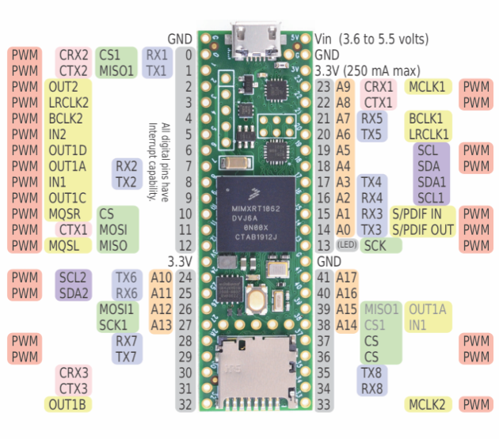

 |  |  |  |  | Maverick has:
 | button gnd |  |  |  | frnt/rear brake pressure
 |  |  | red wire 3.3v | orange wire 2 3.3v | eng and cvt temp sensors
 | button 1 pin 2 |  |  |  | engine rpm
 | button 2 pin 3 |  | brown wire pin 22 |  | wheel speed
 | button 3 pin 4
 | button 4 pin 5 |  |  |  | orange/blue for thermistors, 2 of same color wires
 | button 5 pin 6 |  |  |  | thermistors have 1 2.74k smd resistore each
 | button 6 pin 7 |  | light blue wire pin 19 |  | ra8875 for rail for display
 |  |  | orange wire 1 pin 18 | resistors in series | seperate pcb for 6 buttons with display not sure what I meant when I wrote this
 |  |  | white wire pin 17 |  | grey and orange are for that ^
 |  |  | blue wire1 pin 16 | resistors in series

 | blue wire 2 3.3v
 |  |  | yellow wire pin 41

 |  |  |  |  |  | pin(s)
 |  |  |  |  | Orange Thermistor | 3v, gnd?
 |  |  |  |  | Blue Thermistor | 3v, gnd?
 |  |  |  |  | 6 pins for buttons for display | 2 thru 7

